NonCoveredScenarios
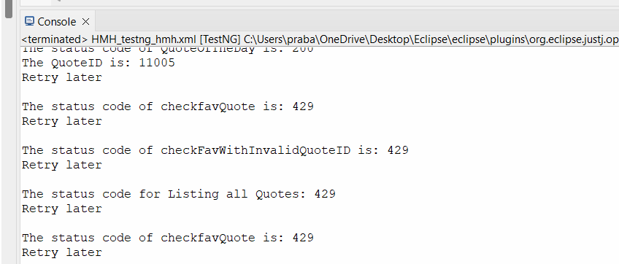
S.NO | Scenario | API Functionality | Test cases that are not covered | Positive/Negative | Validations | Reasons
1 | Authentication Check | FavQuote UnFavQuote ListQuote | Send a PUT request to /api/quotes/quote_id/fav with a valid quote_id but without passing Authorization in headers. | Negative | To Validate response code of 401Unauthorized.
2 | PrivateQuote | UnFavQuote | To unmark a private quote as a favorite using below endpoint- /api/quotes/:quote_id/unfav with Private Quote as the Quote_id | Positive | To validate response code is 200 with below Error_code in the response { "error_code": 41, "message": "Private quotes cannot be unfav'd." } | Due to the requirement of a Pro-Session subscription plan to create private quotes, this functionality has not been tested as I do not have access to a Pro-Session subscription at the moment.
3 |  | FavQuote | To Validate, Private Quotes are marked as Favourite by default | Positive | To validate response code is 200 with no Error_code in the response To Validate response body -Field Favourite is set True
4 | PrivateQuote | ListQuote | Get the private quotes of the current user (pro session required) | Positive | Required ProUser to Validate
5 |  |  | Search for private quotes of the current user session that contain the words "little book" | Positive | Required ProUser to Validate
6 | Hidden Quote |  | Get quotes hidden by the user. | Positive | To validate below response body "user_details": { "hidden": True }
7 | "favorites_count" | FavQuote UnFavQuote | To verify that the favorites_count is incremented or decremented accordingly when a quote is marked as a favorite (true) or (false) | Positive | To Validate the field "favorites_count": <value> in the response body
8 | error_code | All Functionality | Error Code 10 : Invalid request. Error Code 11 : Permission denied. Error Code 20 : User session not found. Error Code 21 : Invalid login or password. Error Code 22 : Login is not active. Contact support@favqs.com. Error Code 23 : User login or password is missing. Error Code 24 : Pro user required Error Code 30 : User not found. Error Code 31 : User session already present. Error Code 32 : A list of 'user' validation errors. Error Code 33 : Invalid password reset token. Error Code 40 : Quote not found. Error Code 41 : Private quotes cannot be unfav'd. Error Code 42 : Could not create quote. Error Code 50 : Author not found. Error Code 60 : Tag not found. Error Code 70 : Activity not found. | Negative | To Validate 200 status code followed by the validations of each error codes according to the exceptions
9 | Status-Code |  | 404 HTTP/1.1 404 Not Found 500 HTTP/1.1 500 Internal Server Error | Negative | To Validate non-200 codes in the response
10 | Retry later | All Functionality | Status code: 429 | Negative | If status code 429 appears, need to rerun test case after few seconds

